Indices

 | Iraq Stock Exchange
 | Bulletin No (77)
 | ISX Trading Indices of Monday 4/5/2026

 | Traded Volume and OTC |  | 1,301,001,227 |  | Traded Value and OTC |  | 1,788,987,168 |  | Traders | 1167

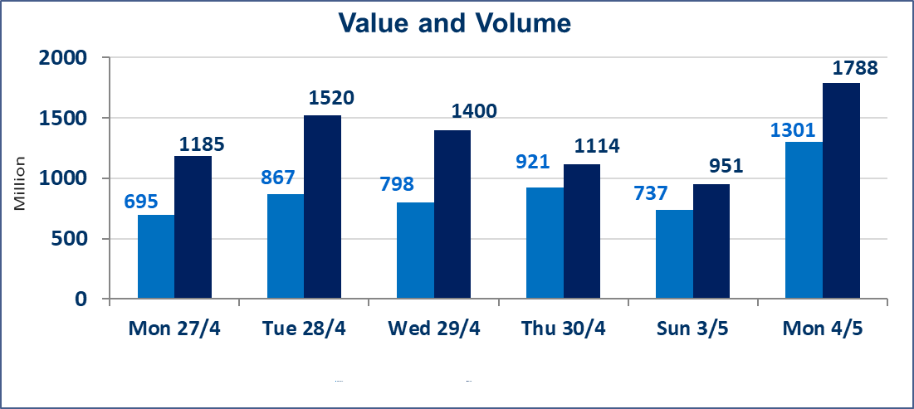
 | ISX Index 60 |  |  | 987.99 | ISX Index 15 |  |  | 1265.61
 | Previous ISX Index60 |  |  | 985.44 | Previous ISX Index15 |  |  | 1260.56
 | Change % |  |  | 0.26 | Change % |  |  | 0.40
 | Change |  |  | 2.55 | Change |  |  | 5.05

 | Listed Companies | 104 | OTC | 14 | Non Traded listed | 44 | OTC | 13
 | Traded Listed Companies | 49 | OTC | 1 | Higher Companies |  |  | 10
 | GAM Companies |  |  | 2 | Lower Companies |  |  | 14
 | Suspended Companies |  |  | 9
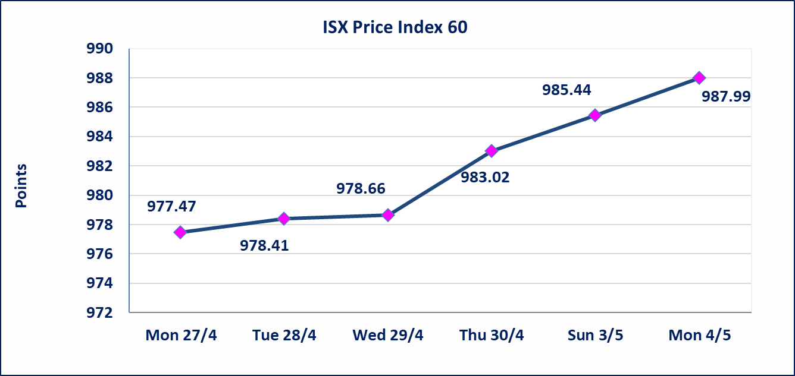
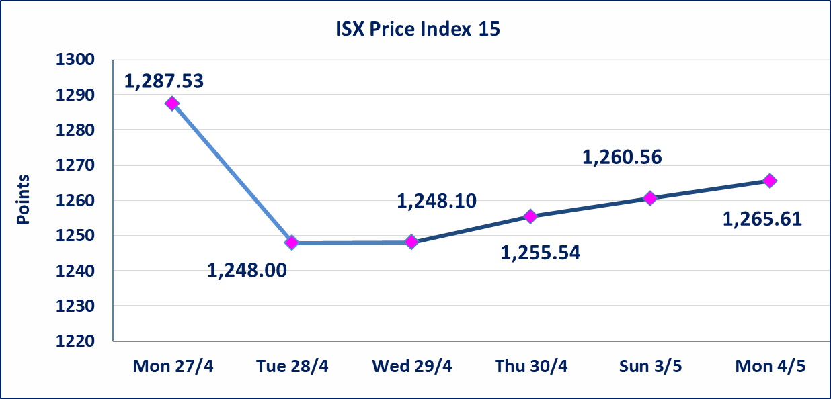

Al-Alwiya P.O . 3607 Mobile: 07711211522 - 07270094594 - 07834000034 E-mail: info-isx@isx-iq.net Web site:www.isx-iq.net

Top 5
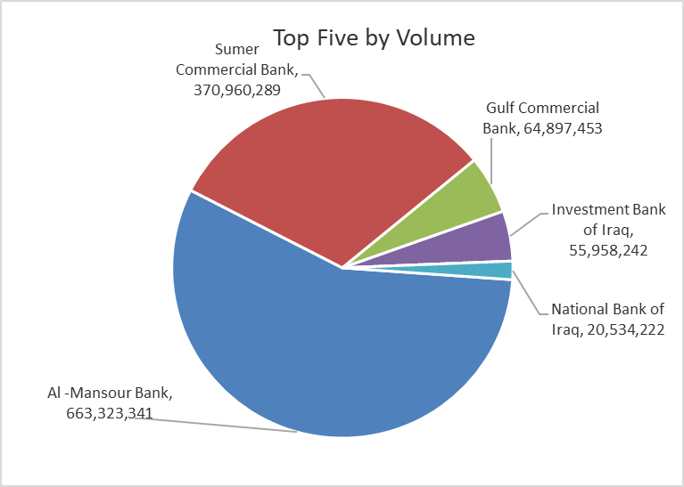
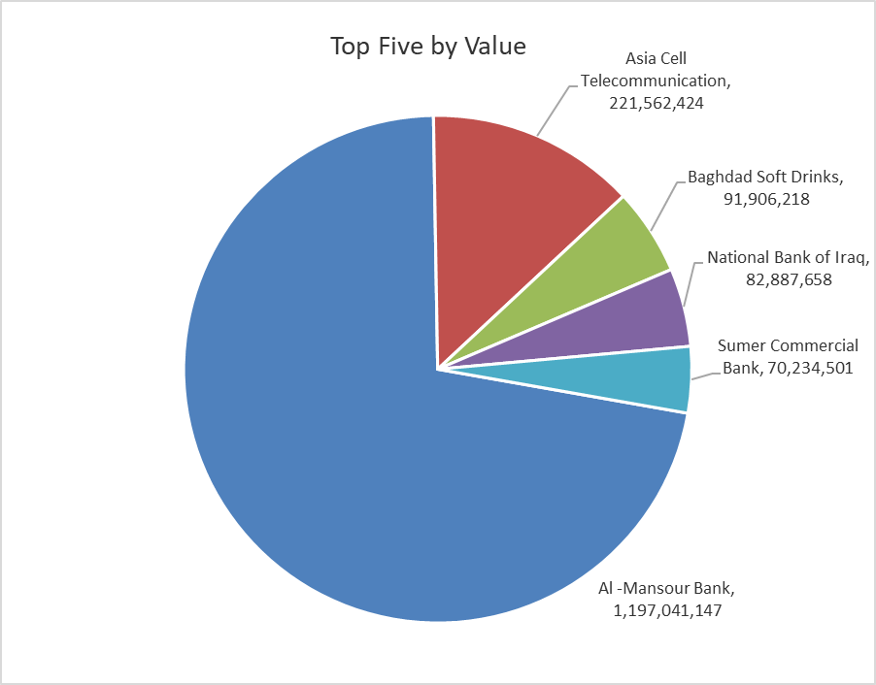

ISX top ganing and losing companies
Monday 4/5/2026
 | Gainers |  |  |  | Losers
 | Company Name | Closing Price | Change (%) | Traded Volume | Company Name | Closing Price | Change (%) | Traded Volume
 | Sumer Commercial Bank | 0.200 | 5.26 | 370,960,289 | AL-Badia for General Trans | 1.250 | -4.58 | 16,301
 | Al-Ameen for Insurance | 0.930 | 3.33 | 926,874 | Ready Made Clothes | 2.200 | -4.35 | 100
 | Al-Khatam Telecom | 3.750 | 2.18 | 285,217 | Ashur International Bank | 0.230 | -4.17 | 17,160,000
 | Asia Cell Telecommunication | 17.090 | 1.73 | 13,016,558 | Al-Ameen Estate Investment | 1.710 | -2.29 | 226,519
 | Fallujah for construction Materials | 2.760 | 1.47 | 150,000 | National Bank of Iraq | 4.000 | -1.96 | 20,534,222
 | The most active companies in term of traded volume and value

 | Traded Volume |  |  |  | Traded Value
 | Company Name | Closing Price | Change (%) | Traded Volume | Company Name | Closing Price | Change (%) | Traded Value
 | Al -Mansour Bank | 1.800 | 1.12 | 663,323,341 | Al -Mansour Bank | 1.800 | 1.12 | 1,197,041,147
 | Sumer Commercial Bank | 0.200 | 5.26 | 370,960,289 | Asia Cell Telecommunication | 17.090 | 1.73 | 221,562,424
 | Gulf Commercial Bank | 0.360 | 0.00 | 64,897,453 | Baghdad Soft Drinks | 6.170 | 0.16 | 91,906,218
 | Investment Bank of Iraq | 0.230 | 0.00 | 55,958,242 | National Bank of Iraq | 4.000 | -1.96 | 82,887,658
 | National Bank of Iraq | 4.000 | -1.96 | 20,534,222 | Sumer Commercial Bank | 0.200 | 5.26 | 70,234,501

Non Iraqis

Iraq Stock Exchange
Non Iraqis' Bulletin Monday May 4 2026
Regular Market

Non Iraqi Trading of Regular Market (Buy)
Company Names | Code | No.of trades | Traded Shares | Trading Volume
Banks Sector
National Bank Of Iraq | BNOI | 7 | 443,925 | 1,796,457
Al-Mansour Bank | BMNS | 1 | 100,000 | 181,000
Total Bank sector |  | 8 | 543,925 | 1,977,457
Grand Total |  | 8 | 543,925 | 1,977,457

Non Iraqi Trading of Regular Market (Sell)
Company Names | Code | No.of trades | Traded Shares | Trading Volume
Banks Sector
Iraqi Middle East Investment Bank | BIME | 1 | 130,000 | 10,400
National Bank Of Iraq | BNOI | 25 | 6,653,646 | 26,681,363
Mousil Bank For Development& Investment | BMFI | 1 | 239,300 | 31,109
Kurdistan International Bank | BKUI | 1 | 388,500 | 427,350
Total Bank sector |  | 28 | 7,411,446 | 27,150,222
Services Sector
Karbala Hotels | HKAR | 1 | 155,200 | 96,224
Total Services sector |  | 1 | 155,200 | 96,224
Telecommunication Sector
Asia cell | TASC | 18 | 2,000,000 | 34,003,000
Total Telecommunication sector |  | 18 | 2,000,000 | 34,003,000
Grand Total |  | 47 | 9,566,646 | 61,249,446

Non Iraqi Trading of Second Market (Sell)
Company Names | Code | No.of trades | Traded Shares | Trading Volume
Banks Sector
Credit Bank Of Iraq | BROI | 1 | 764,916 | 436,002
Total Bank sector |  | 1 | 764,916 | 436,002
Grand Total |  | 1 | 764,916 | 436,002

Not Trading Bonds

Iraq Stock Exchange
Monday 4/5/2026
Not Trading Bonds Bulletin
Bond type | Publish type | Code | last trading price | immortilize date
Banaa Bonds /Million ID | Second | CB20 | 964,981 | 19/12/2025
Eamar Bonds /Million ID | First | CB30 | 1,001,095 | ــــــــــــــــ
Eamar Bonds /Million ID | Second | CB40 | ــــــــــــــــ | ــــــــــــــــ
Eamar Bonds /500 Thousand ID | Third | CB45 | ــــــــــــــــ | ــــــــــــــــ
Eamar Bonds /Million ID | Third | CB50 | ــــــــــــــــ | ــــــــــــــــ
Injaz Bonds /500 Thousand ID | First | CB55 | ــــــــــــــــ | ــــــــــــــــ
Injaz Bonds /Million ID | First | CB60 | 951,110 | ــــــــــــــــ
Injaz Bonds /500 Thousand ID | Second | CB65 | 507,301 | ــــــــــــــــ
Injaz Bonds /Million ID | Second | CB70 | 965,050 | ــــــــــــــــ
Injaz Bonds /500 Thousand ID | Third | CB75 | ــــــــــــــــ | ــــــــــــــــ
Injaz Bonds /Million ID | Third | CB80 | 978,182 | ــــــــــــــــ
National Bonds/Million ID | First | CB90 | ــــــــــــــــ | ــــــــــــــــ
National Bonds/500 Thousand ID | Second | CB95 | ــــــــــــــــ | ــــــــــــــــ
National Bonds/Million ID | Second | CB100 | ــــــــــــــــ | ــــــــــــــــ

